Тех задание
(Option WITHOUT with the construction at the top of the stand) Terms of Reference for the construction of the collective stand Made in Belarus at the IATF - Intra-African Trade Fair (September 4 - 10, 2025, Algeria, People's Democratic Republic of Algeria).
 | The questionnaire of the building company
 | The name of the company
 | Contact person
 | Portfolio availability ( in stock\ out of stock)
 | Site (web-site link)
 | Certeficate of registration (registration information, TIN)
 | Work experience (the age of the company)
 | Work experience with Belinterexpo (joint projects)
 | The location of the head office (only city\town)
 | The location of production workshop (only city\town)
 | Are there any orders at the exhibition besides Belinterexpo (names)
 | Bank account
 | Possible payment currency

Location of stand
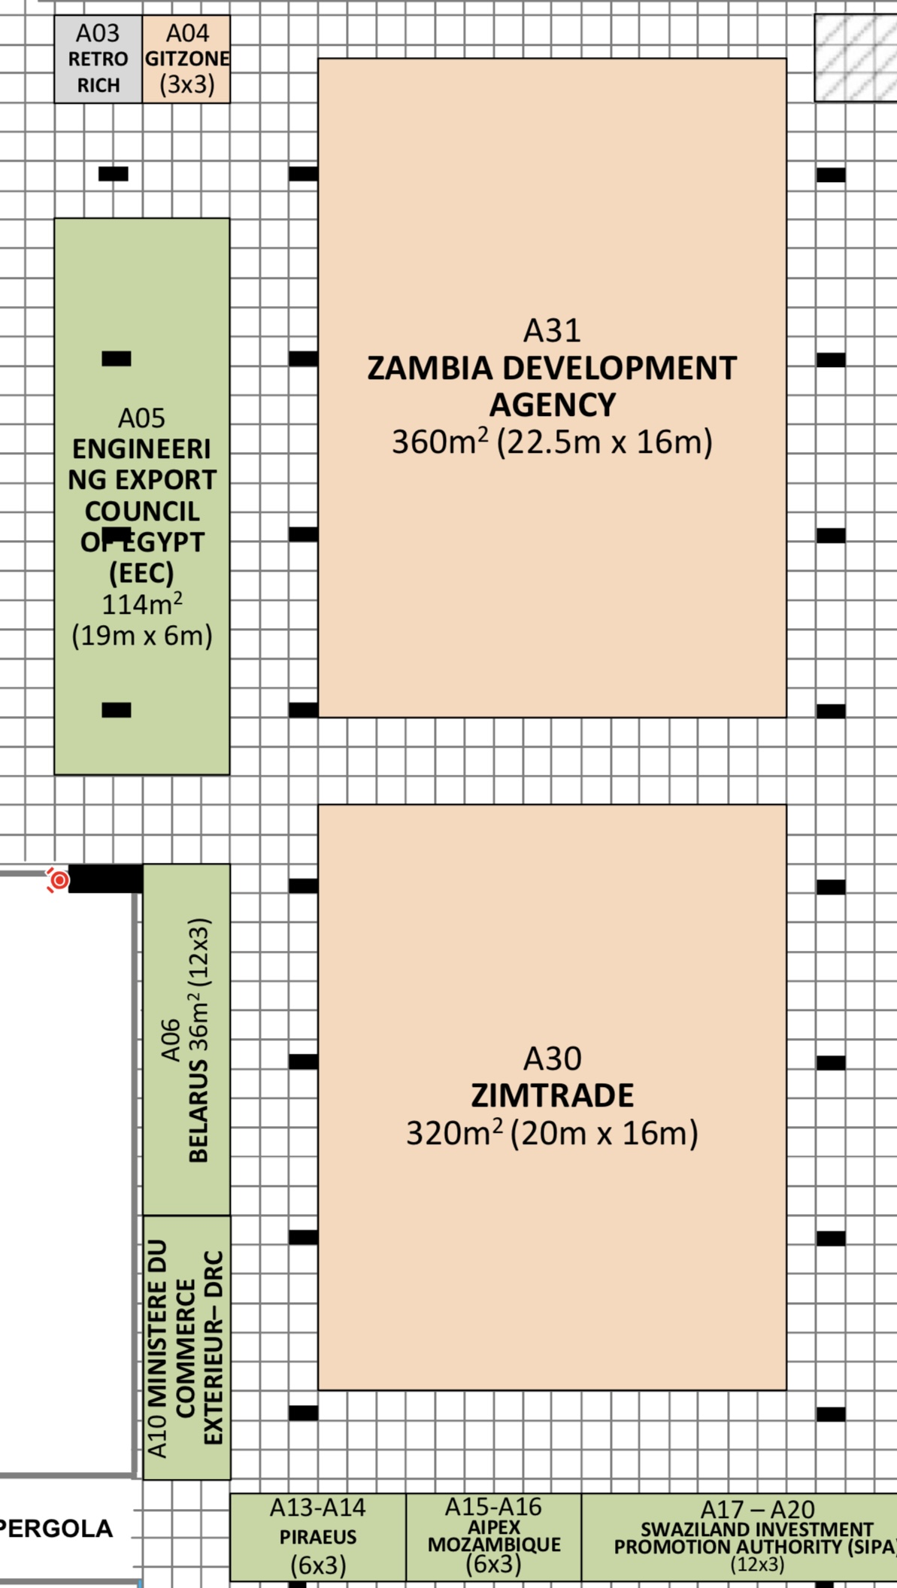 |  |  | Exhibition | IATF
 |  |  | Date | September 4-10
 |  |  | City\ town | Algeria
 |  |  | Exhibitor | UE BELINTEREXPO BelCCI
 |  |  | Square footage | 36 sq. m
 |  |  | Sizes | 12 m x 3 m;h-3,5 m
 |  |  | Pavilion and stand number | Pavillion AHAGGAR, stand №A06
 |  |  | Design project | Made by BELINTEREXPO

*Sections are filled in and supplemented by the building company
Floor
 | List | Description |  | Price | Quantity |  | The amount
1. | Floor covering | Podium 8cm with carpet covering (12m x 3m) |  |  |  | m² | 0
Total: |  |  |  |  |  |  | 0
Individual exhibition (18 sq.m.)
№ | List | Description |  | Price | Quantity |  | The amount
1. | Load-bearing wall | wood particle board (15mх3,5m) |  |  |  | m² | 0
2. | Technical banner fabric | printing on a banner |  |  |  | m² | 0
4. | Utility room | white banner |  |  | 5 | m² | 0
6. | Door | wooden white locable doors with banner 0,9m x 2m (without a portal) |  |  | 2 | pcs | 0
Total |  |  |  |  |  |  | 0
Electricity and lighting:
№ | List | Description |  | Price | Quantity |  | The amount
1. | Searchlight | a spotlight on the wall to illuminate the stand (temperature of light 5000K) |  |  | 24 | pcs | 0
3. | Socket | 2 sockets on the wall for TV/ 4 sockets inside stuff room / 4 sockets inside negotiation area ( type F, C or similar), info rack 5 sockets, refrigerator 1 socket with 24 hour connection |  |  | 16 | pcs | 0
8. | Electric shield with lock |  |  |  | 1 | pcs | 0
TOTAL |  |  |  |  |  |  | 0
Production costs:
№ | List | Description |  | Price | Quantity |  | The amount
1. | Artistic layout, typesetting and preparation for printing |  |  |  |  | - | 0
2. | Consumables / tape / furniture packaging |  |  |  |  | - | 0
3. | Installation / dismantling work (daytime) | installation from August 28 to September 3 dismantling from September 10 to September 12 |  |  | 9 | day | 0
4. | Installation\ dismantling work (nighttime) |  |  |  |  | - | 0
5. | Transportation costs (with registration of passes) |  |  |  |  | - | 0
6. | Cleaning of the stand after installation |  |  |  | 1 | day | 0
7. | Garbage collection / disposal of the stand |  |  |  |  | - | 0
8. | Recycling collection |  |  |  |  | - | 0
9. | Daily cleaning of the stand | every day during the exhibition from September 4 to 10 |  |  | 7 | day | 0
10. | Electrician/installer on duty |  |  |  |  | - | 0
11. | Fire extinguishers |  |  |  | 1 | pcs | 0
12. | English-speaking manager (for the entire construction period, presence at the installation is mandatory!) | An English-speaking manager is needed for the entire build-up and operation of the exhibition, who will always be in place at the booth |  |  | 1
13. | Overhead costs |  |  |  |  | - | 0
TOTAL |  |  |  |  |  |  | 0
TOTAL WORKS: |  |  |  |  |  |  | 0
TAXES (Taxation system_____________):
TOTAL WITH TAXES: |  |  |  |  |  |  | 0

Equipment
№ | List | Description |  | Price | Quantity |  | The amount
 | lcd screen |  |  |  | 2х2 | m²
 | negotiation table (suitable to measures of negotiation zone) |  |  |  | 4 | pcs.
 | chair to negotiation area | 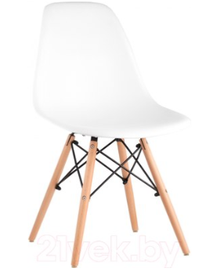 |  |  | 16 | pcs.
 | Chipboard information desk with logo, backlight, sockets, key lock (width 1000 mm) |  |  |  | 5 | pcs.
 | Double sofa, leatherette, white | 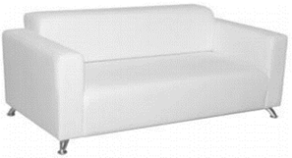 |  |  | 2 | pcs.
 | Coffe table | 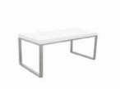 |  |  | 2 | pcs.
 | Booklet holder without defects |  |  |  | 5 | pcs.
 | Refrigerator without freezer | 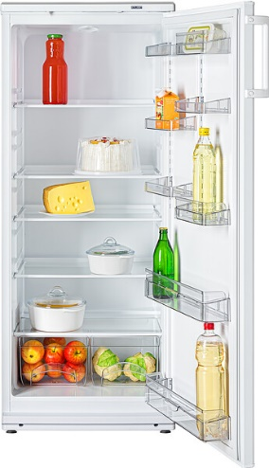 |  |  | 1 | pcs.
 | Glass showcase with backlight 1000x500x2000 |  |  |  | 5 | pcs.
 | Shelves | 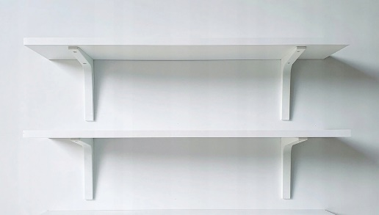 |  |  | 2 | pcs.
 | shelve rack | 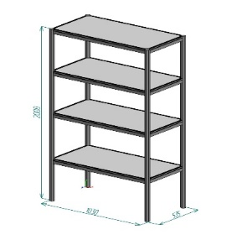 |  |  | 1 | pcs.
 | kettle |  |  |  | 1 | pcs.
 | 52-inch TV with remote control and wired USB extension cable | 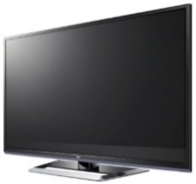 |  |  | 2 | pcs.
 | Cooler, cold-hot water (4 bottles of water) |  |  |  | 1 | pcs.
 | Capsule coffee machine and capsules (100 pcs. capsules) |  | 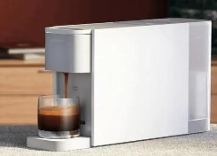 |  | 1 | pcs.
 | tea | 1 set of black tea, 1 set of green tea |  |  | 2 | set
 | sugar sticks | 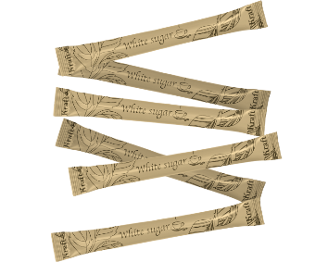 150-200 pcs in set |  |  | 1 | set
 | wooden sticks | 150-200 pcs in set |  |  | 1 | set
 | mirror on the wall | small mirrow on the wall | 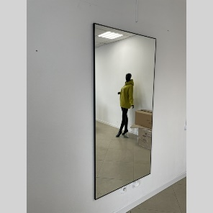 |  | 1 | pcs.
 | Wall hanger |  |  |  | 2 | pcs.
 | green plant | floor green plant |  |  | 4 | pcs.
 | glass for hot drinks | 150-200 pcs in set (paper material) |  |  | 2 | set
 | dry napkins |  |  |  | 2 | set
 | wet napkins |  |  |  | 2 | set
 | trash bin |  |  |  | 1 | pcs.
 | trash bag |  |  |  | 1 | set
 | antiseptic |  |  |  | 2 | pcs.
 | bar chair |  |  |  | 5 | pcs.
 | Extension cable (1,5 m length) |  |  |  | 1 | pcs.
 | Trash bin |  |  |  | 5 | pcs.
TOTAL : |  |  |  |  |  |  | 0
TAXES (Taxation system_____________):
TOTAL WITH TAXES: |  |  |  |  |  |  | 0

