ENG ZITF
Technical specifications, design and the list of aditional equipment for Belarusian exhibition stand on Zimbabwe International Trade Fair
 | The name of the company
 | Contact person
 | Portfolio availability ( in stock\ out of stock)
 | Site (web-site link)
 | Certeficate of registration (registration information, TIN)
 | Work experience (the age of the company)
 | Work experience with Belinterexpo (joint projects)
 | The location of the head office (only city\town)
 | The location of production workshop (only city\town)
 | Are there any orders at the exhibition besides Belinterexpo (names)
 | Bank account
 | Possible payment currency

General information
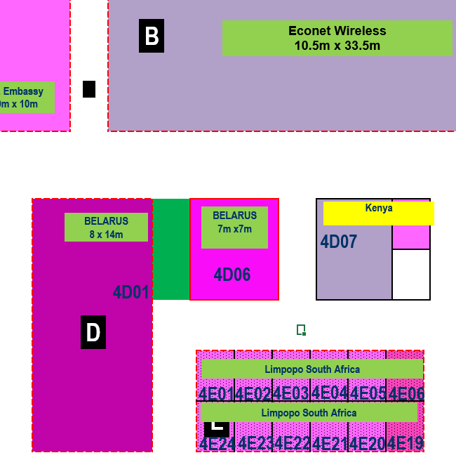 |  |  | Exhibition | ZITF
 |  |  | Date | April 20–25, 2026
 |  |  | City | Bulawayo
 |  |  | Square footage | 8m х 14m (112 sq.m) 7m x7m (49 sq. m.)
 |  |  | Pavilion | 4

*Sections are filled in and supplemented by the construction company
Part 1:
№ | Name | Description |  | Price | Quantity |  | Total
1 | Wood panels for a walls / Стены | - |  |  |  | m2 | -
2 | Podium for booth / Фальшпол | height according to the technical requirements of the exhibition |  |  | 56 | m2 | -
3 | Aluminum edge / Алюминиевый борт | around the perimeter |  |  |  | m | -
4 | Edge illumination | diode illumination (strip) |  |  |  | m | -
5 | Stickers | on the top of the exposition |  |  | 2 | psc. | -
6 | LED lights on wall / LED освещение на стене | - |  |  |  | m | -
7 | Backlight LOGO Aftrade / Cветовой логотип Aftrade | on the top of the exposition and inside the negotination room |  |  | 2 | psc. | -
8 | Backlight BIG LOGO Aftrade / Cветовой логотип Aftrade | - |  |  | 1 |  | -
9 | Backlight LOGO Bison / Cветовой логотип Bison | on the top of the exposition |  |  | 2 | psc. | -
10 | Backlight LOGO Utano / Cветовой логотип Utano | - |  |  | 2 | psc. | -
11 | Square backlight LOGO Utano / Cветовой логотип Utano | inside the negotination room |  |  | 1 | psc. | -
12 | Backight letters REPUBLIC OF BELARUS / Световые буквы Республика Беларусь | on the top of the exposition |  |  | 1 | unit | -
13 | Backight letters REPUBLIC OF BELARUS / Световые буквы Республика Беларусь | back side |  |  | 1 | unit | -
14 | Backlight Made in Belarus / Cветовой логотип Made in Bealrus | back side |  |  | 1 | unit | -
15 | LOGOs shield / Щит с логотипами | back side |  |  | 1 | unit | -
16 | Backight Belarusian flag / Световой флаг Беларуси | on the top of the exposition |  |  | 1 | unit | -
17 | Tabel / Стол | - |  |  | 1 | psc. | -
18 | Wood tabel for 6 persons / Деревянный стол для 6 человек | inside the negotination room |  |  | 1 | psc. | -
19 | Infodesk Utano / Инфостойка | with lightning (diode illumination), shelfs (diode illumination), glass door, lockable doors, socket, LOGOs, |  |  | 1 | psc. | -
20 | Infodesk Aftrade / Инфостойка | with lightning (diode illumination), shelfs (diode illumination), glass door, lockable doors, socket, LOGOs, |  |  | 1 | psc. | -
21 | Wooden pedestal with aluminum pipes / тумба с алюминиевыми трубами | Aluminium tube with holes and diode ilumination inside. Additional sockets |  |  | 2 | psc. | -
22 | Illuminated wooden slats / Деревянные рейки с подсветкой | - |  |  | 16 | psc. | -
23 | False corners / Накладные углы | inside the negotination room |  |  | 4 | psc. | -
24 | Wooden pedestal / Тумба из дерева |  |  |  | 1 | psc. | -
25 | Stool / Стул | - |  |  | 10 | psc. | -
26 | Chrome bar stool / барный стул | - |  |  | 8 | psc. | -
27 | LEATHER SOFA/ Диван 2-х местный | for 2 person |  |  | 2 | psc. | -
28 | Mirror / Зеркало | on the wall in shelf room |  |  | 1 | psc. | -
29 | STANDING SHELF UNIT / Стеллаж | shelf room |  |  | 1 | psc. | -
30 | SHELF ON WALL / Полки | shelf room |  |  | 1 | unit | -
31 | HANGER / Вешалка настенная | on the wall in shelf room |  |  | 1 | unit | -
32 | WATER COOLER / Водный куллер | shelf room |  |  | 1 | psc. | -
33 | WATER FOR COOLER 20L / Вода для кулера | shelf room |  |  | 5 | psc. | -
34 | GLASS COFFEE TABLE / Кофейный стол (стекло) | - |  |  | 1 | psc. | -
35 | SOFA TABLE / Придиванный столик | inside the negotination room |  |  | 1 | psc. | -
36 | REFRIDGERATOR 100L / Холодильник минимум на 100 литров | shelf room |  |  | 1 | psc. | -
37 | WASTE BIN LARGE / Мусорный бак |  |  |  | 1 | psc. | -
38 | WASTE PAPER BINS / Корзина для мусора |  |  |  | 4 | psc. | -
39 | COFFEE CUPS AND STIRERS / Одноразовые чашки и стики |  |  |  | 1 | unit | -
40 | EXTENSION ELECTRICAL CABLE / Удлинитель тройник | - |  |  | 2 | psc. | -
41 | Decorative lamp/ декоративный светильник | inside the negotination room |  |  | 1 | psc. | -
42 | Lamp / Светильник | Above the grass |  |  | 5 | psc. | -
43 | Door + wood panels / Дверь с панелями | With black furniture |  |  | 3 | psc. | -
44 | Door / Дверь | With black furniture |  |  | 1 | psc. | -
45 | TV "55 (Телевизор 55 дюймов) | on wall, with usb port |  |  | 1 | psc. | -
46 | High grass / Трава | - |  |  | 1 | unit | -
Total |  |  |  |  |  |  | -
Part 1 machinery:
№ | Name | Description |  | Price | Quantity |  | Total
1 | CHIPBOARD CORNER TRIANGLE ELEMENTS with logo / Деревянные углы с логотипами |  |  |  | 4 | psc. | -
2 | CHIPBOARD TRIANGLE ELEMENTS with logo / Деревянные элементы с логотипами |  |  |  | 4 | psc. | -
3 | Wooden slats on the floor / Деревянная рейка на полу | - |  |  |  | m | -
4 | HAY TO COVER FLOOR / Сено для пола | - |  |  | 1 | unit | -
5 | Floodlights / прожекторы | with different colours |  |  | 8 | psc. | -
Total |  |  |  |  |  |  | -
Part 2:
№ | Name | Description |  | Price | Quantity |  | Total
1 | Wood panels for a walls / Стены | - |  |  |  | m2 | -
2 | Podium for booth / Фальшпол | height according to the technical requirements of the exhibition |  |  | 21 | m2 | -
3 | Aluminum edge / Алюминиевый борт | around the perimeter |  |  |  | m | -
4 | Edge illumination | diode illumination (strip) |  |  |  | m | -
5 | Edge for illumination in top / бортик для подсветки | - |  |  |  | m | -
6 | LED lights on wall / LED освещение на стене | a line at the top of the stand with a side |  |  |  | m | -
7 | Infodesk with LOGO / Инфостойка | with lightning (diode illumination), lockable doors, socket, LOGOs |  |  | 4 | psc. | -
8 | Backight letters REPUBLIC OF BELARUS / Световые буквы Республика Беларусь | on the top of the exposition |  |  | 1 | unit | -
9 | Backlight Made in Belarus / Cветовой логотип Made in Bealrus | on collective booth |  |  | 1 | unit | -
10 | LOGOs shield / Щит с логотипами | on collective booth |  |  | 1 | unit | -
11 | STANDING GLASS SHOWCASE (0,50 х 0,50 х 2 m) / Витрина (0,50 х 0,50 х 2 m) |  |  |  | 1 | psc. | -
12 | Tabel / Стол | - |  |  | 4 | psc. | -
13 | Infodesk / Инфостойка | with lightning (dide illumination), shelfs, lockable doors, socket, LOGOs |  |  | 6 | psc. | -
14 | Stool / Стул | - |  |  | 12 | psc. | -
15 | TV "55 (Телевизор 55 дюймов) | on wall, with usb port |  |  | 1 | psc. | -
16 | Booklet holder / Буклетница | - |  |  | 4 | psc. | -
17 | WASTE BIN LARGE / Мусорный бак |  |  |  | 1 | psc. | -
18 | WASTE BINS WITH PLASTIC GARBAGE BAGS / | - |  |  | 5 | m3 | -
...
*Sections are filled in and supplemented by the construction company
9 | Fire extinguishers / Огнетушители | - |  |  |  | pcs | -
10. | Overhead costs / Дополнительные расходы | - |  |  |  | - | -
TOTAL |  |  |  |  |  |  | -
TOTAL WORKS: |  |  |  |  |  |  | -
TAXES (Taxation system_____________):
TOTAL WITH TAXES: |  |  |  |  |  |  | -
Additional equipment:
№ | List | Description |  |  |  |  | Price
1 | CHROME BAR CHAIR |  |  | -
2 | BROCHURE HOLDER |  |  | -
3 | STANDING GLASS SHOWCASE (0,50 х 0,50 х 2 m) | 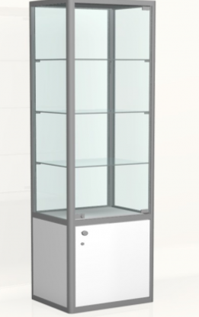 |  | -
4 | GLASS TOP SHOWCASE (0,50 x 1 x 2 m) | 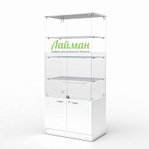
5 | OFFICE CHAIR | 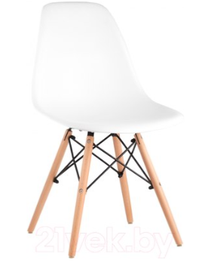 |  | -
6 | WOOD TABLE FOR 6 PERSON |  |  | capsule coffee machine
7 | LEATHER SOFA (WHITE 2-SEATER) | 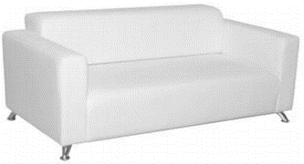 |  | spray
8 | 55'' TV | 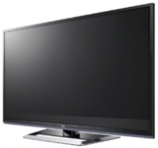 |  | wet and dry
9 | MIRROR | 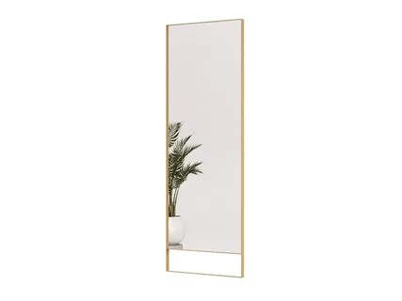
10 | STANDING SHELF UNIT | 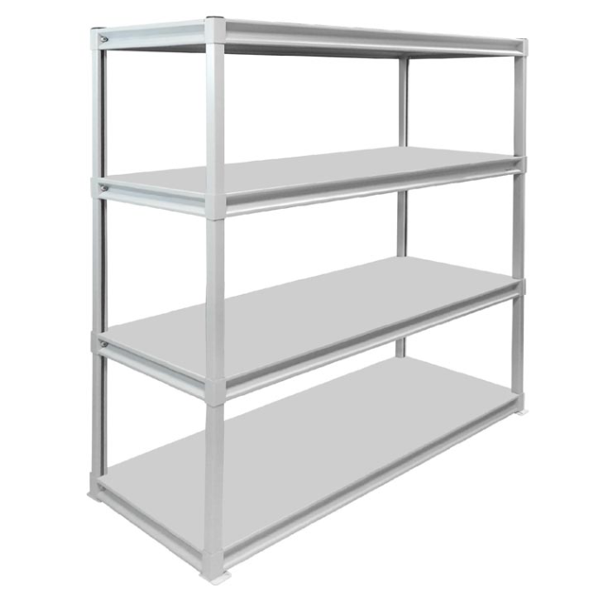
11 | SHELF ON WALL (0,30 Х 1 М) | 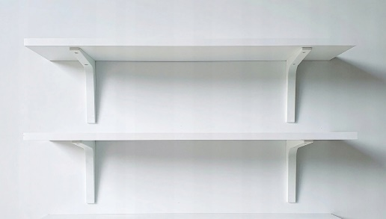
12 | HANGER FOR WALL
13 | WATER COOLER
14 | WATER FOR COOLER | - |  | 5 botles
15 | BOTTELED WATER OF 0,5L (WITHOUT GAS)
16 | ROUND TABLE | 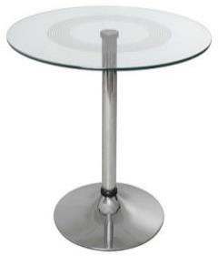 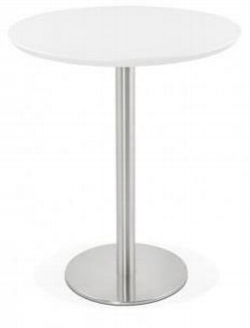
17 | GLASS СOFFE TABLE
18 | SOFA TABLE | 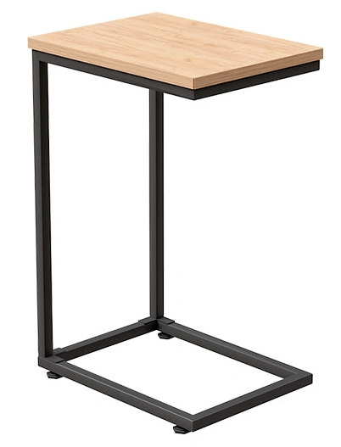
19 | CLEAN REFRIGERATOR 100L | 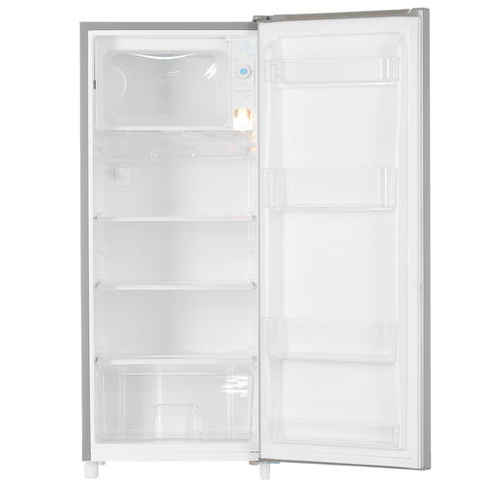
20 | WASTE BIN WITH PLASTIC GARBAGE BAGS (BIG)
21 | WASTE BINS WITH PLASTIC GARBAGE BAGS | 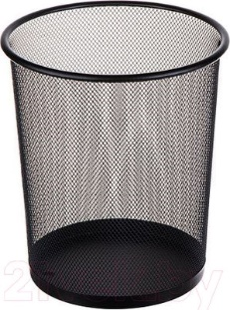
22 | COFFE MACHINE WITH BEANS (100% AMEDIUM ROAST ARABICA) | 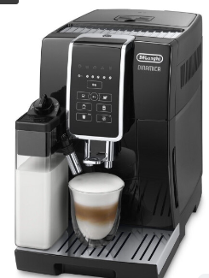 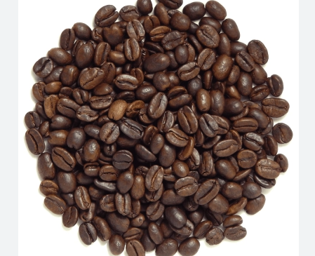
23 | ELECTRIC KETTLE WITH PACKAGED TEA
24 | DISPOSABLE COFFE CUPS WITH STIRRERS STICKS SUGAR
25 | GLASS (CERAMIC) TEA CUPS ON A PLATE WITH TEA SPOON | 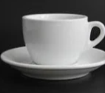 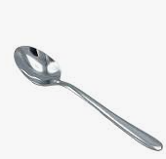
26 | KNIFE WITH PAPER TOWELS | 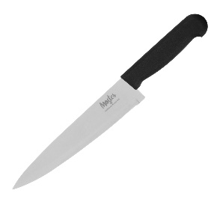 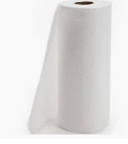
27 | ELECTRICAL GENERATOR (FOR UNFORESEEN SITUATIONS) | 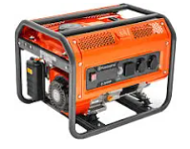
28 | EXTENSION ELECTRICAL CABLE, 2 M | 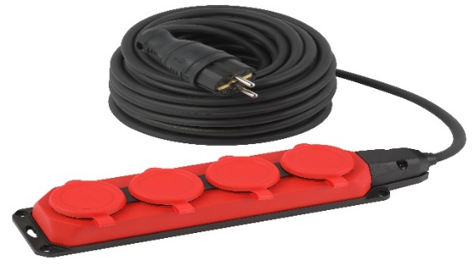
29 | SOCKET CONNECTOR (ADAPTER) FROM THE TYPE G TO TYPE C | 