Тех задание
(The option of building a stand at the top) Terms of Reference for the construction of the collective stand Made in Belarus at the DJAZAGRO 2026 (April 12 - 15, 2026, Algeria, People's Democratic Republic of Algeria).
 | The questionnaire of the building company
 | The name of the company
 | Contact person
 | Portfolio availability ( in stock\ out of stock)
 | Site (web-site link)
 | Certeficate of registration (registration information, TIN)
 | Work experience (the age of the company)
 | Work experience with Belinterexpo (joint projects)
 | The location of the head office (only city\town)
 | The location of production workshop (only city\town)
 | Are there any orders at the exhibition besides Belinterexpo (names)
 | Bank account
 | Possible payment currency

Location of stand
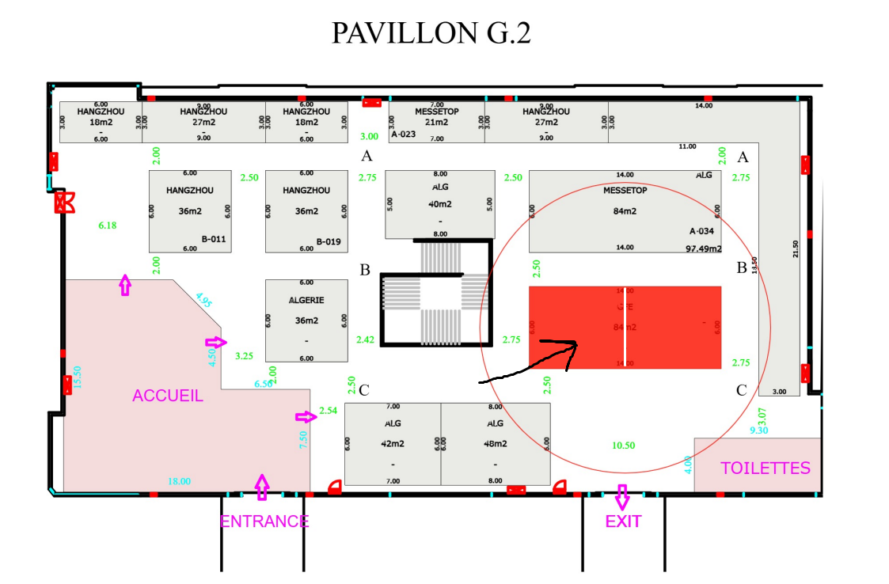 |  |  | Exhibition | DJAZAGRO
 |  |  | Date | April 12-15, 2026
 |  |  | City\ town | Algeria
 |  |  | Exhibitor | UE BELINTEREXPO BelCCI
 |  |  | Square footage | 42 sq. m
 |  |  | Sizes | 7 m x 6 m;h-3m
 |  |  | Pavilion and stand number | Pavillion G.2
 |  |  | Design project | Made by BELINTEREXPO

*Sections are filled in and supplemented by the building company
Floor
 | List | Description |  | Price | Quantity |  | The amount
1. | Floor covering | Podium 8cm with carpet covering (7m x 6m) |  |  |  | m² | 0
Total: |  |  |  |  |  |  | 0

№ | List | Description |  | Price | Quantity |  | The amount
1. | Load-bearing wall | 6m*3m |  |  |  | m² | 0
2. | Technical banner fabric | printing on a banner |  |  |  | m² | 0
4. | Utility room | 4m*2m, h - 3 |  |  |  | m² | 0
6. | Door | digital printing |  |  | 2 | pcs | 0
7. | Material for the load-bearing wall and utulity room | digital printing on a banner
Total |  |  |  |  |  |  | 0
Electricity and lighting:
№ | List | Description |  | Price | Quantity |  | The amount
1. | Searchlight | a spotlight on the wall to illuminate the stand |  |  | 14 | pcs | 0
3. | Socket | 6 sockets inside stuff room, info rack 4 sockets, refrigerator 4 sockets with 24 hour connection |  |  | 14 | pcs | 0
8. | Electric shield with lock |  |  |  | 1 | pcs | 0
TOTAL |  |  |  |  |  |  | 0
Production costs:
№ | List | Description |  | Price | Quantity |  | The amount
1. | Artistic layout, typesetting and preparation for printing |  |  |  |  | - | 0
2. | Consumables / tape / furniture packaging |  |  |  |  | - | 0
3. | Installation / dismantling work (daytime) | installation from April 8 to April 11 dismantling from April 15 to April 16 |  |  |  |  | 0
4. | Installation\ dismantling work (nighttime) |  |  |  |  | - | 0
5. | Transportation costs (with registration of passes) |  |  |  |  | - | 0
6. | Cleaning of the stand after installation |  |  |  | 1 | day | 0
7. | Garbage collection / disposal of the stand |  |  |  |  | - | 0
8. | Recycling collection |  |  |  |  | - | 0
9. | Daily cleaning of the stand | every day during the exhibition from April 11 to 15 |  |  | 7 | day | 0
10. | Electrician/installer on duty |  |  |  |  | - | 0
11. | Fire extinguishers |  |  |  | 1 | pcs | 0
12. | English-speaking manager (for the entire construction period, presence at the installation is mandatory!) | An English-speaking manager is needed for the entire build-up and operation of the exhibition, who will always be in place at the booth |  |  | 1
13. | Overhead costs |  |  |  |  | - | 0
TOTAL |  |  |  |  |  |  | 0
TOTAL WORKS: |  |  |  |  |  |  | 0
TAXES (Taxation system_____________):
TOTAL WITH TAXES: |  |  |  |  |  |  | 0

Equipment
№ | List | Description |  | Price | Quantity |  | The amount
 | negotiation table |  |  |  | 3 | pcs.
 | chair to negotiation area | 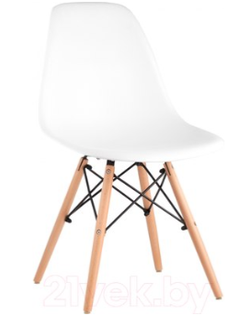 |  |  | 16 | pcs.
 | Chipboard information desk with logo, backlight, sockets, key lock (width 1000 mm) |  |  |  | 4 | pcs.
 | Refrigerator with freezer (small) | 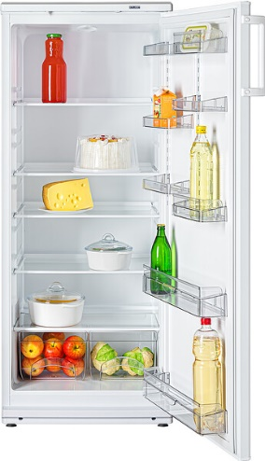 |  |  | 3 | pcs.
 | Glass showcase with backlight 1000x500x2000 |  |  |  | 4 | pcs.
 | shelve rack | 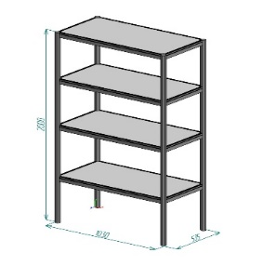 |  |  | 1 | pcs.
 | kettle |  |  |  | 1 | pcs.
 | Cooler, cold-hot water (4 bottles of water) |  |  |  | 1 | pcs.
 | Capsule coffee machine and capsules (100 pcs. capsules) |  | 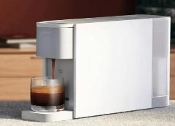 |  | 1 | pcs.
 | tea | 1 set of black tea, 1 set of green tea |  |  | 2 | set
 | sugar sticks | 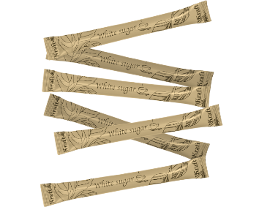 150-200 pcs in set |  |  | 1 | set
 | wooden sticks | 150-200 pcs in set |  |  | 1 | set
 | mirror on the wall | small mirrow on the wall | 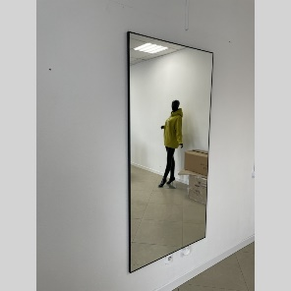 |  | 1 | pcs.
 | Wall hanger |  |  |  | 2 | pcs.
 | glass for hot drinks | 150-200 pcs in set (paper material) |  |  | 2 | set
 | dry napkins |  |  |  | 2 | set
 | wet napkins |  |  |  | 2 | set
 | trash bin |  |  |  | 1 | pcs.
 | trash bag |  |  |  | 1 | set
 | bar chair |  |  |  | 5 | pcs.
 | Extension cable (1,5 m length) |  |  |  | 1 | pcs.
 | Disposable plates | 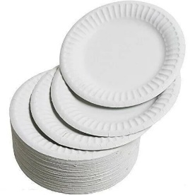
 | Trash bin |  |  |  | 5 | pcs.
 | rectangular glass coffee table | 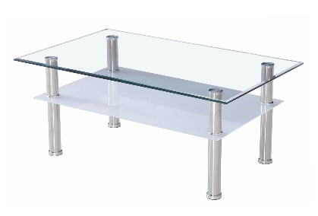 |  |  | 1
 | White sofa | 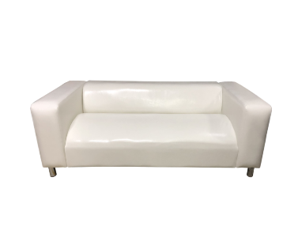 |  |  | 4
 | Carbonated and non-carbonated bottled water (12 bottles + 12 bottles) | 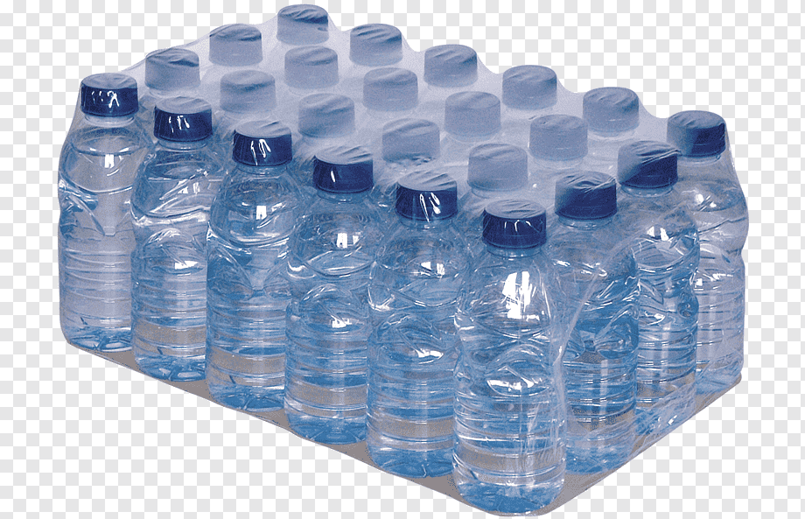
TOTAL : |  |  |  |  |  |  | 0
TAXES (Taxation system_____________):
TOTAL WITH TAXES: |  |  |  |  |  |  | 0

