ENG INN
Technical specifications, design and the list of aditional equipment for Belarusian exhibition stand on Saudi Food Show
 | The name of the company
 | Contact person
 | Portfolio availability ( in stock\ out of stock)
 | Site (web-site link)
 | Certeficate of registration (registration information, TIN)
 | Work experience (the age of the company)
 | Work experience with Belinterexpo (joint projects)
 | The location of the head office (only city\town)
 | The location of production workshop (only city\town)
 | Are there any orders at the exhibition besides Belinterexpo (names)
 | Bank account
 | Possible payment currency

General information
 |  |  | Exhibition | Saudi Food Show
 |  |  | Date | September 27–29, 2026
 |  |  | City | Jeddah
 |  |  | Square footage | 6m х 12 m (72 sq.m)
 |  |  | Pavilion

*Sections are filled in and supplemented by the construction company
Flooring:
№ | Name | Description |  | Price | Quantity |  | Total
1. | Podium / Фальшпол | height according to the technical requirements of the exhibition |  |  | 72 | m2
2. | Aluminum edge / Алюминиевый борт | around the perimeter |  |  |  | m
3. | Laminate or carpet / Ламинат или ковровое покрытие | optional |  |  |  | m2
4. | Edge illumination | diode illumination (strip) |  |  |  | m
Total
Booth:
№ | Name | Description |  | Price | Quantity |  | Total
 | Walls / Стены | with printing |  |  |  | m2
 | Lightbox on wall / Лайтбокс освещение на стене |  |  |  | 6 | psc.
 | Walls for negotination room / Стены переговорной комнаты | with printing |  |  |  | m2
 | Lightbox / Лайтбокс, световая вывеска |  |  |  | 2 | psc.
 | Light letters / Световые буквы |  |  |  | 2 | psc.
 | Flag in lightbox / Флаг в лайтбоксе |  |  |  | 2 | pcs.
 | Двери/Doors |  |  |  | 2 | psc.
Total
Equipment
 | Tabel / Стол | 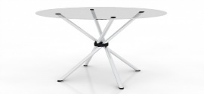 |  |  | 9 | psc.
 | Infodesk / Инфостойка | with lightning (dide illumination), shelfs, lockable doors, socket, LOGOs |  |  | 8 | psc.
 | Chair / Стул | 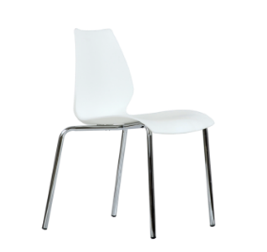 |  |  | 20 | psc.
 | Bar chair/Барный стул |  |  |  | 8 | psc.
 | Coffee table / Кофейный стол |  |  |  | 2 | psc.
 | Sofa / Диван 2-х местный |  |  |  | 1 | psc.
 | Кресло / armchair |  |  |  | 2 | psc.
 | Холодильник большой (по возможности указать технические характеристики) / The refrigerator large (if possible, specify the technical specifications) | 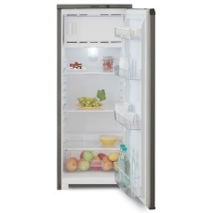 |  |  | 4 | psc.
 | TV "42 (Телевизор 42 дюйма) |  |  |  | 4 | psc.
 | Booklet holder / Буклетница | 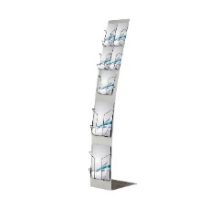 |  |  | 8 | psc.
 | Витрина/Showcase |  |  |  | 8 | psc.
 | WASTE BINS WITH PLASTIC GARBAGE BAGS / |  |  |  | 10 | psc.
 | Shelf / Стеллаж | 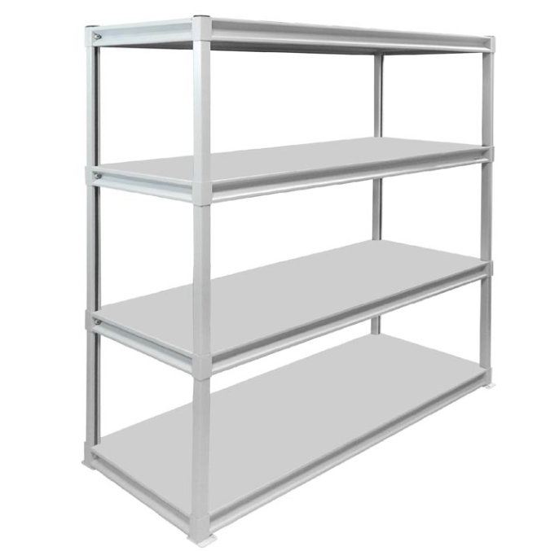 for participants items,1030x535x2000 mm |  |  | 2 | psc.
 | Tabel / Стол |  |  |  | 2 | psc.
 | Water cooler / Водный кулер с водой | with botteled water |  |  | 1 | unit
 | Electrical teapot with tea / Чайник с чаем |  |  |  | 1 | unit
 | Coffe machine with coffe / Кофемашина c кофе |  |  |  | 1 | unit
 | Cups with sugar and sticks / Одноразовые стаканы, сахар и ложки | Paper or plastik cups |  |  | 100 | psc.
 | Window cleaner with textile / Очиститель для стекла с ветошью | spray |  |  | 1 | unit
 | Napkins / Салфетки | wet and dry |  |  | 6 | unit
 | Hangers / Вешалка | for suits on wall |  |  | 1 | psc.
 | Mirror / Зеркало | on wall |  |  | 1 | psc.
 | Extention cabel / Удлинитель |  |  |  | 1 | psc.
 | Floor Hanger / Вешалка напольная |  |  |  | 2 | psc.
 | SIM- card with internet for Wi-Fi roater / Сим-карта сдоступом в интернет для Wi-Fi модема | Wi-Fi roater from customer, sim-card from contractor |  |  | 1 | psc.
Total
Electricity and lighting:
№ | List | Description |  | Price | Quantity |  | The amount
1. | Searchlight (spot) / Прожектор | a spotlight on the wall to illuminate the stand (temperature of light 5000K) |  |  | 29 | psc.
2. | Socket / Розетка | - |  |  | 11 | psc.
3. | Socket 24h / Розетка 24ч |  |  |  | 6 | psc.
4. | Electric shield with lock / Электрический щиток | - |  |  | 1 | psc.
Total
Production costs:
№ | List | Description |  | Price | Quantity |  | The amount
1. | Consumables / Расходные материалы | - |  |  |  | -
2. | Installation / Монтаж | - |  |  |  | -
3. | Transportation costs / Стоимость логистики | - |  |  |  | -
4. | Accreditation | - |  |  |  | -
5. | Cleaning of the stand after installation / Уборка после монтажа | - |  |  |  | -
6. | Garbage collection / Вывоз мусора | - |  |  |  | -
7. | Daily cleaning of the stand / Ежедневный клининг стенда | - |  |  |  | -
8. | Electrician on duty / Дежурный электрик | - |  |  |  | -
9. | Fire extinguishers / Огнетушители | - |  |  |  | pcs
10. | Overhead costs / Дополнительные расходы | - |  |  |  | -
TOTAL
TOTAL WORKS:
TAXES (Taxation system_____________):
TOTAL WITH TAXES:

